Throughput by Time
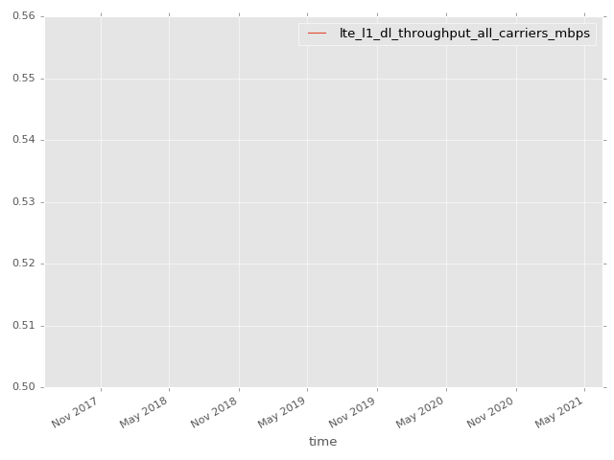
App Throughput by Time Graph | LTE Throughput by Time Graph

lte_l1_dl_throughput_all_carri
lte_l1_dl_throughput_all_carriers Report

Sampling Distribution Histogram
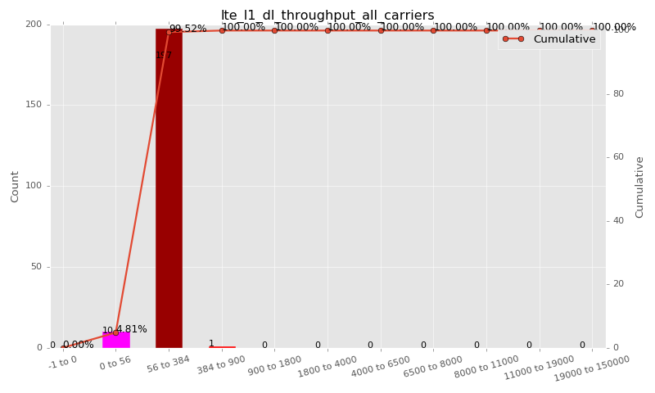

Sampling Distribution Table (first 10 ranges)
ColorXml | Lower | Upper | N Samples | Range | % | Cumulative %
 | -1 | 0 | 0 | -1 to 0 | 0.00 | 0.00
 | 0 | 56 | 10 | 0 to 56 | 4.81 | 4.81
 | 56 | 384 | 197 | 56 to 384 | 94.71 | 99.52
 | 384 | 900 | 1 | 384 to 900 | 0.48 | 100.00
 | 900 | 1800 | 0 | 900 to 1800 | 0.00 | 100.00
 | 1800 | 4000 | 0 | 1800 to 4000 | 0.00 | 100.00
 | 4000 | 6500 | 0 | 4000 to 6500 | 0.00 | 100.00
 | 6500 | 8000 | 0 | 6500 to 8000 | 0.00 | 100.00
 | 8000 | 11000 | 0 | 8000 to 11000 | 0.00 | 100.00
 | 11000 | 19000 | 0 | 11000 to 19000 | 0.00 | 100.00

Basic statistics
N | 208
Mean | 117.23
SD | 56.14
MAX | 528.00
Median | 128.00
Min | 3.59

Geographical Plot

lte_inst_rsrp_1
lte_inst_rsrp_1 Report

Sampling Distribution Histogram
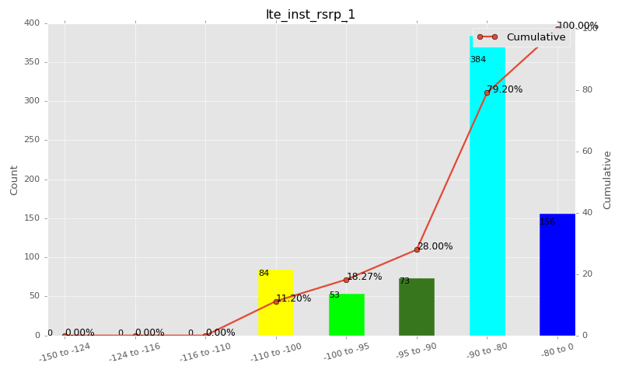

Sampling Distribution Table (first 10 ranges)
ColorXml | Lower | Upper | N Samples | Range | % | Cumulative %
 | -150 | -124 | 0 | -150 to -124 | 0.00 | 0.00
 | -124 | -116 | 0 | -124 to -116 | 0.00 | 0.00
 | -116 | -110 | 0 | -116 to -110 | 0.00 | 0.00
 | -110 | -100 | 84 | -110 to -100 | 11.20 | 11.20
 | -100 | -95 | 53 | -100 to -95 | 7.07 | 18.27
 | -95 | -90 | 73 | -95 to -90 | 9.73 | 28.00
 | -90 | -80 | 384 | -90 to -80 | 51.20 | 79.20
 | -80 | 0 | 156 | -80 to 0 | 20.80 | 100.00

Basic statistics
N | 750
Mean | -87.18
SD | 8.94
MAX | -69.41
Median | -87.13
Min | -109.44

Geographical Plot

lte_inst_rsrq_1
lte_inst_rsrq_1 Report

Sampling Distribution Histogram
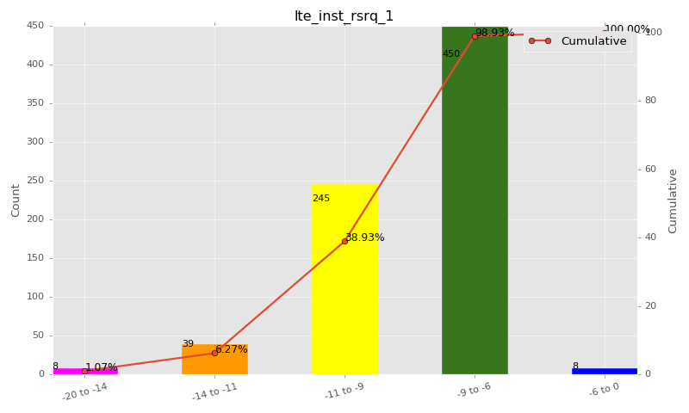

Sampling Distribution Table (first 10 ranges)
ColorXml | Lower | Upper | N Samples | Range | % | Cumulative %
 | -20 | -14 | 8 | -20 to -14 | 1.07 | 1.07
 | -14 | -11 | 39 | -14 to -11 | 5.20 | 6.27
 | -11 | -9 | 245 | -11 to -9 | 32.67 | 38.93
 | -9 | -6 | 450 | -9 to -6 | 60.00 | 98.93
 | -6 | 0 | 8 | -6 to 0 | 1.07 | 100.00

Basic statistics
N | 750
Mean | -8.69
SD | 1.63
MAX | -3.81
Median | -8.62
Min | -18.66

Geographical Plot

lte_inst_rssi_1
lte_inst_rssi_1 Report

Sampling Distribution Histogram
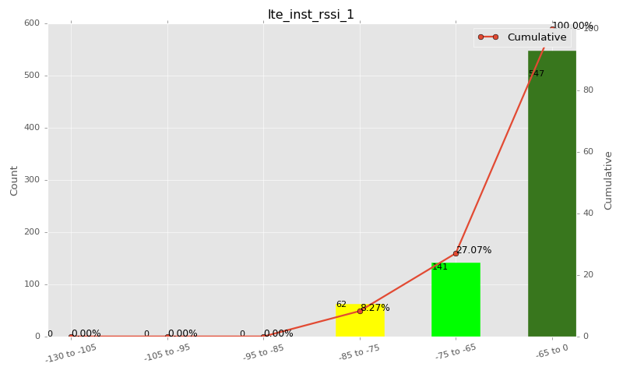

Sampling Distribution Table (first 10 ranges)
ColorXml | Lower | Upper | N Samples | Range | % | Cumulative %
 | -130 | -105 | 0 | -130 to -105 | 0.00 | 0.00
 | -105 | -95 | 0 | -105 to -95 | 0.00 | 0.00
 | -95 | -85 | 0 | -95 to -85 | 0.00 | 0.00
 | -85 | -75 | 62 | -85 to -75 | 8.27 | 8.27
 | -75 | -65 | 141 | -75 to -65 | 18.80 | 27.07
 | -65 | 0 | 547 | -65 to 0 | 72.93 | 100.00

Basic statistics
N | 750
Mean | -61.31
SD | 8.68
MAX | -41.88
Median | -61.94
Min | -82.06

Geographical Plot

lte_sinr_rx0_1
lte_sinr_rx0_1 Report

Sampling Distribution Histogram
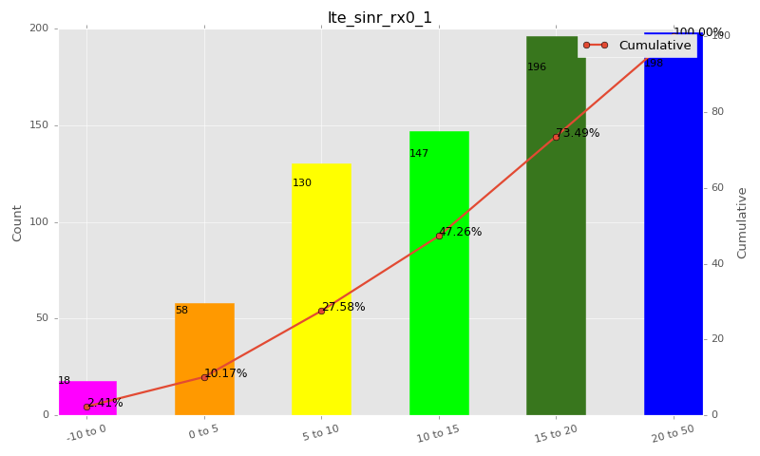

Sampling Distribution Table (first 10 ranges)
ColorXml | Lower | Upper | N Samples | Range | % | Cumulative %
 | -10 | 0 | 18 | -10 to 0 | 2.41 | 2.41
 | 0 | 5 | 58 | 0 to 5 | 7.76 | 10.17
 | 5 | 10 | 130 | 5 to 10 | 17.40 | 27.58
 | 10 | 15 | 147 | 10 to 15 | 19.68 | 47.26
 | 15 | 20 | 196 | 15 to 20 | 26.24 | 73.49
 | 20 | 50 | 198 | 20 to 50 | 26.51 | 100.00

Basic statistics
N | 749
Mean | 14.53
SD | 7.17
MAX | 30.00
Median | 15.50
Min | -11.80

Geographical Plot

lte_sinr_rx1_1
lte_sinr_rx1_1 Report

Sampling Distribution Histogram
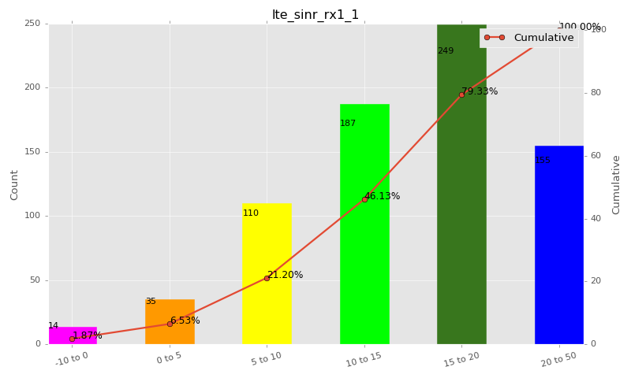

Sampling Distribution Table (first 10 ranges)
ColorXml | Lower | Upper | N Samples | Range | % | Cumulative %
 | -10 | 0 | 14 | -10 to 0 | 1.87 | 1.87
 | 0 | 5 | 35 | 0 to 5 | 4.67 | 6.53
 | 5 | 10 | 110 | 5 to 10 | 14.67 | 21.20
 | 10 | 15 | 187 | 10 to 15 | 24.93 | 46.13
 | 15 | 20 | 249 | 15 to 20 | 33.20 | 79.33
 | 20 | 50 | 155 | 20 to 50 | 20.67 | 100.00

Basic statistics
N | 750
Mean | 14.92
SD | 6.25
MAX | 30.00
Median | 15.68
Min | -5.60

Geographical Plot

lte_physical_cell_id_1
lte_physical_cell_id_1 Report

Sampling Distribution Histogram
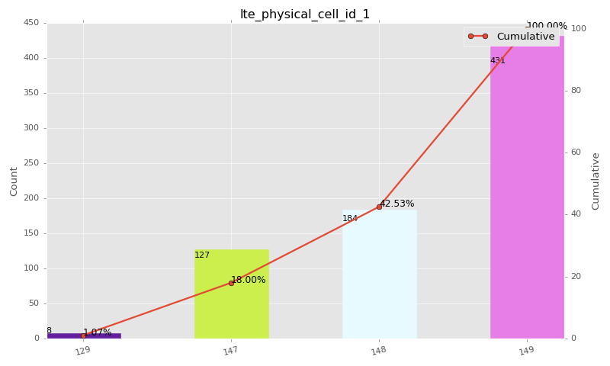

Sampling Distribution Table (first 10 ranges)
ColorXml | Lower | Upper | match_value | N Samples | Range | % | Cumulative %
 |  |  | 129 | 8 |  | 1.07 | 1.07
 |  |  | 147 | 127 |  | 16.93 | 18.00
 |  |  | 148 | 184 |  | 24.53 | 42.53
 |  |  | 149 | 431 |  | 57.47 | 100.00

Basic statistics
N | 750
Mean | N/A (id-type column: lte_physical_cell_id_1)
SD | N/A (id-type column: lte_physical_cell_id_1)
MAX | N/A (id-type column: lte_physical_cell_id_1)
Median | N/A (id-type column: lte_physical_cell_id_1)
Min | N/A (id-type column: lte_physical_cell_id_1)

Geographical Plot

lte_earfcn_1
lte_earfcn_1 Report

Sampling Distribution Histogram
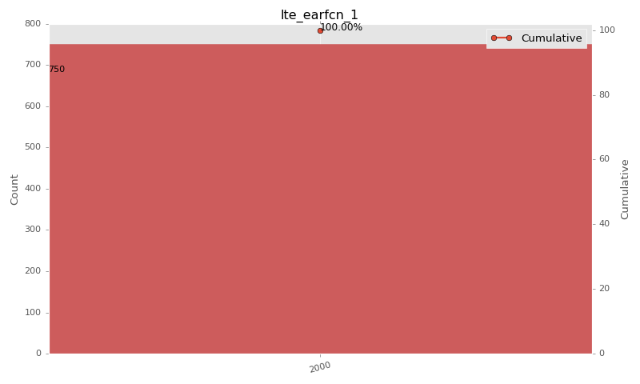

Sampling Distribution Table (first 10 ranges)
ColorXml | Lower | Upper | match_value | N Samples | Range | % | Cumulative %
 |  |  | 2000 | 750 |  | 100.00 | 100.00

Basic statistics
N | 750
Mean | N/A (id-type column: lte_earfcn_1)
SD | N/A (id-type column: lte_earfcn_1)
MAX | N/A (id-type column: lte_earfcn_1)
Median | N/A (id-type column: lte_earfcn_1)
Min | N/A (id-type column: lte_earfcn_1)

Geographical Plot

